Table1
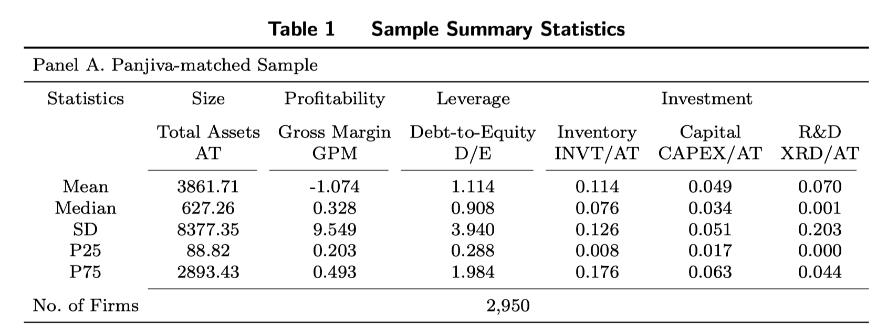
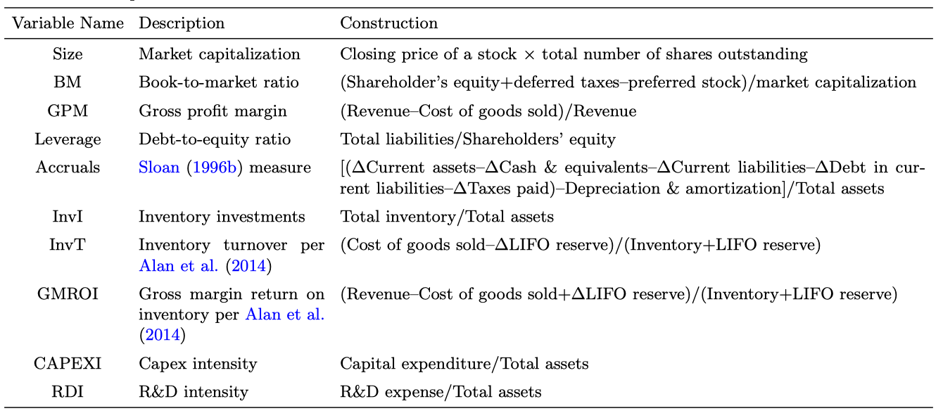
Table 1 Sample Summary Statistics
Panel A. Panjiva-matched Sample
Statistics | Size | Profitability | Leverage | Investment
 | Total Assets AT | Gross Margin GPM | Debt-to-Equity D/E | Inventory InvI/AT | Capital CAPEX/AT | R&D XRD/AT
Mean | 3933.822 | 0.368 | 1.467 | 0.163 | 0.041 | 0.033
Median | 2527.4 | 0.354 | 1.113 | 0.131 | 0.032 | 0.016
SD | 3533.6 | 0.226 | 2.812 | 0.123 | 0.034 | 0.051
P25 | 603.151 | 0.25 | 0.583 | 0.08 | 0.019 | 0.003
P75 | 8701.343 | 0.467 | 1.938 | 0.215 | 0.052 | 0.041
No. of Firms | 1264

Table2
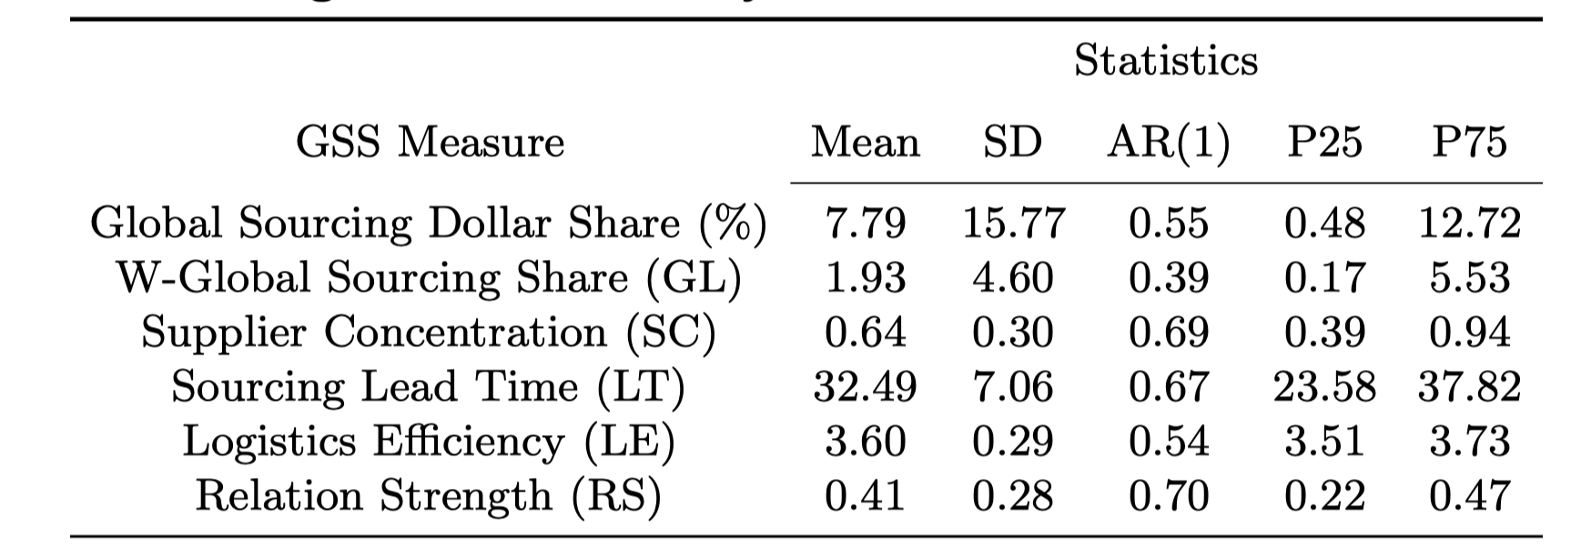
Global Sourcing Measures: Summary Statistics and Correlation with Firm Characteristics
 | Statistics
GSS Measure | Mean | SD | Median | P25 | P75
Global Sourcing Dollar Share (%)
W-Global Sourcing Share (GL) | 1.72 | 2.54 | 0.07 | 0.36 | 2.05
Supplier Concentration (SC) | 0.83 | 0.22 | 0.70 | 0.70 | 1.00
Sourcing Lead Time (LT)
Logistics Eﬃciency (LE) | 3.51 | 0.65 | 3.42 | 3.42 | 3.85
Relation Strength (RS) | 0.35 | 0.22 | 0.18 | 0.18 | 0.37

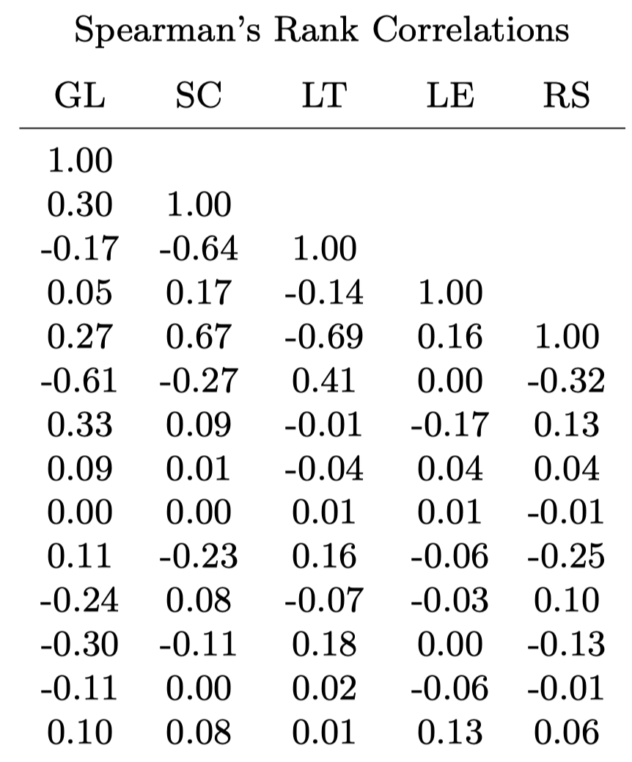
 | Spearman’s Rank Correlations
 | GL | SC | LT | LE | RS
GL | 1.00 |  |  |  |  | GL
SC | -0.25 | 1.00 |  |  |  | SC
LT |  |  | 1.00 |  |  | LT
LE | -0.02 | 0.17 |  | 1.00 |  | LE
RS | -0.20 | 0.35 |  | 0.07 | 1.00 | RS
Size | -0.19 | -0.23 |  | 0.05 | -0.09 | Size
BM | 0.03 | 0.05 |  | 0.01 | -0.01 | BM
GPM | 0.05 | 0.09 |  | 0.05 | 0.01 | GPM
Accrual | 0.03 | 0.00 |  | 0.02 | 0.00 | Accrual
InvI | 0.17 | -0.13 |  | -0.12 | -0.06 | InvI
InvT | -0.25 | 0.00 |  | -0.02 | 0.02 | InvT
Leverage | -0.09 | -0.15 |  | 0.00 | -0.06 | Leverage
CAPEXI | -0.04 | -0.04 |  | -0.05 | -0.04 | CAPEXI
RDI | -0.11 | 0.23 |  | 0.17 | 0.10 | RDI

Table3
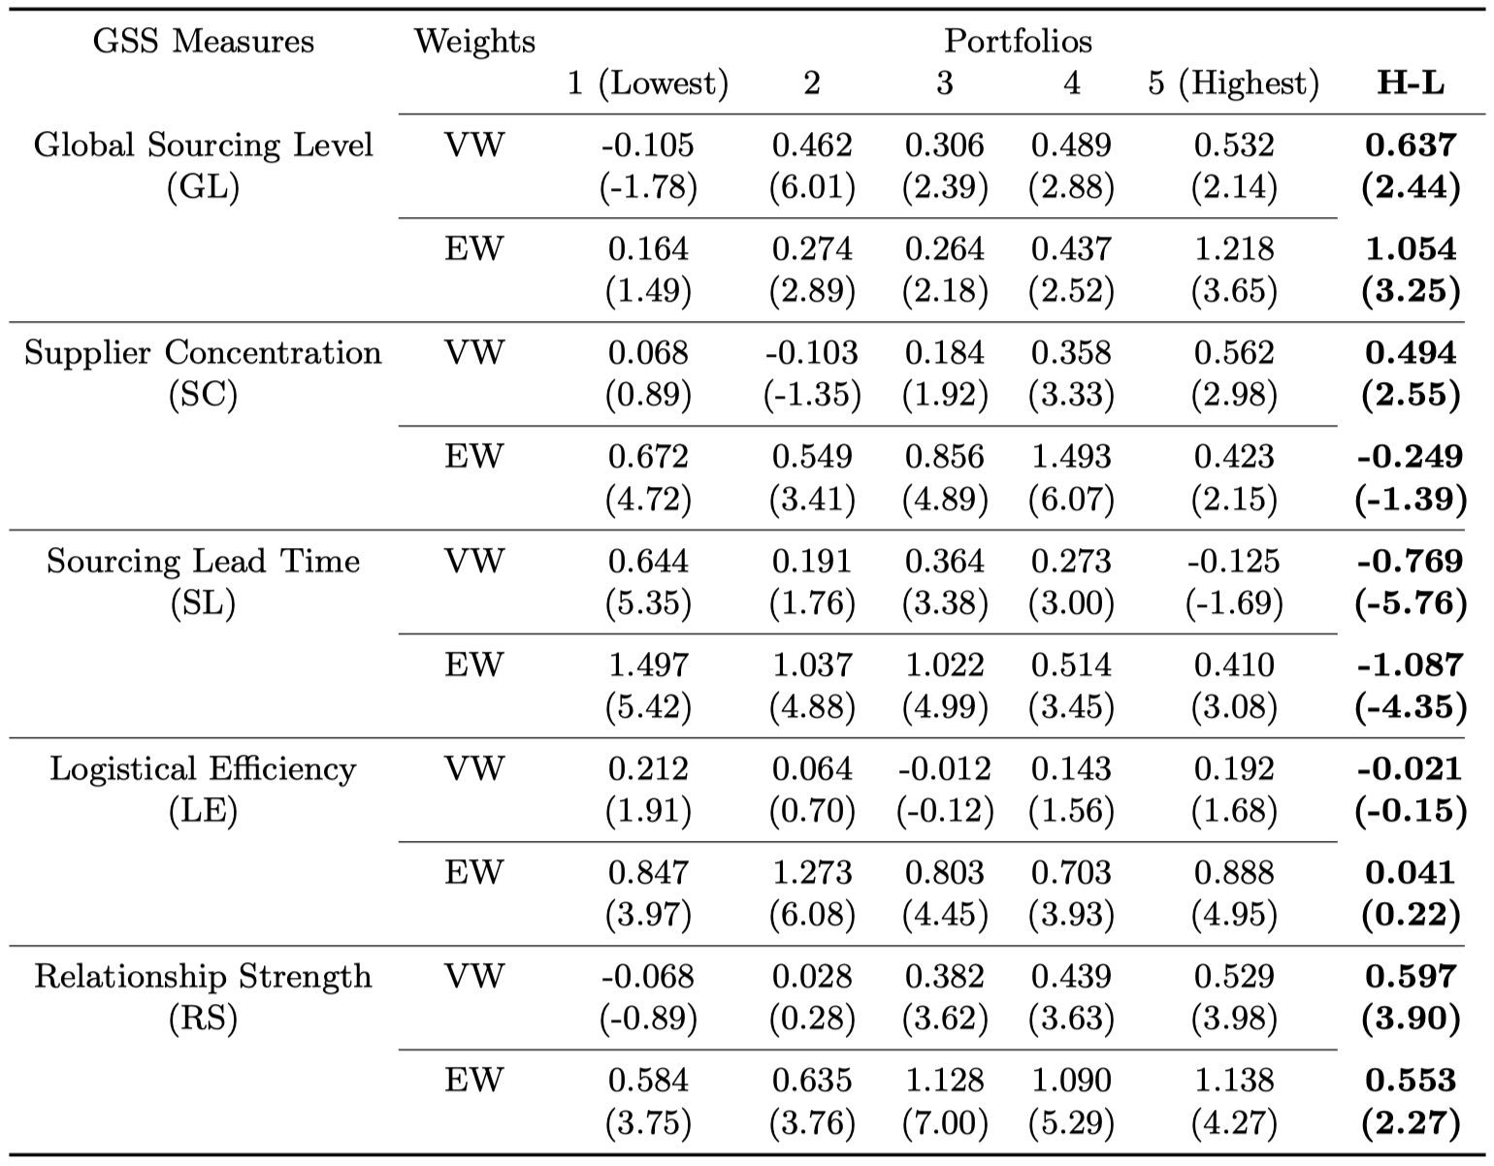
Table 3 Univariate Portfolio Sorting Results
GSS Measures |  | Portfolios
 | Weight | 1 | 2 | 3 | 4 | 5 | H-L
Global Sourcing Level (GL) | VW | 0.689 | 0.745 | 0.797 | 0.757 | 0.75 | 0.061
 |  | (1.39) | (1.5) | (1.69) | (1.55) | (1.53) | (2.08)
 | EW | 0.62 | 0.672 | 0.73 | 0.687 | 0.68 | 0.06
 |  | (0.96) | (1.05) | (1.19) | (1.09) | (1.08) | (1.72)
Supplier Concentration (SC) | VW | -0.01 | 0.02 | 0.701 | 0.826 | 0.772 | 0.782
 |  | (-0.05) | (1.0) | (1.42) | (2.11) | (1.51) | (1.57)
 | EW | -0.03 | 0.02 | 0.634 | 0.781 | 0.686 | 0.716
 |  | (-0.4) | (1.0) | (1.14) | (1.56) | (1.04) | (1.32)
Sourcing Lead Time (SL) | VW

 | EW

Logistical Efficiency (LE) | VW | 0.339 | 0.734 | 0.11 | 1.067 | 0.651 | 0.312
 |  | (0.58) | (1.13) | (0.24) | (1.61) | (1.37) | (0.84)
 | EW | 0.37 | 0.757 | -0.119 | 0.934 | 0.651 | 0.281
 |  | (0.57) | (0.94) | (-0.17) | (1.12) | (1.09) | (0.75)
Relationship Strength (RS) | VW | 0.297 | 0.842 | 0.525 | 0.772 | 0.755 | 0.458
 |  | (0.33) | (1.66) | (0.88) | (1.7) | (1.62) | (0.94)
 | EW | 0.167 | 0.822 | 0.428 | 0.701 | 0.684 | 0.517
 |  | (0.16) | (1.2) | (0.55) | (1.12) | (1.13) | (0.96)

Table4
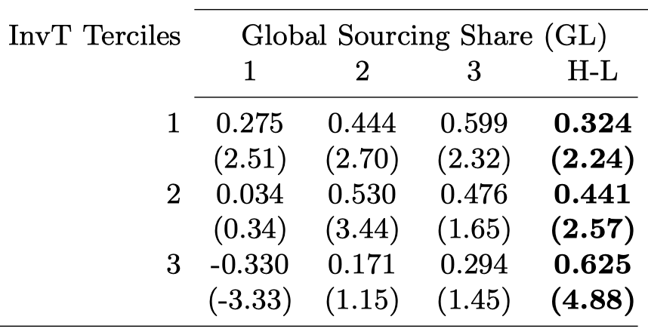
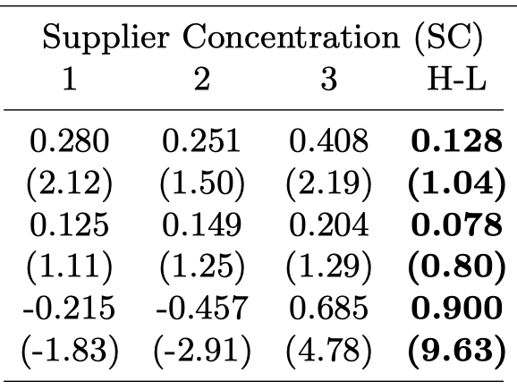
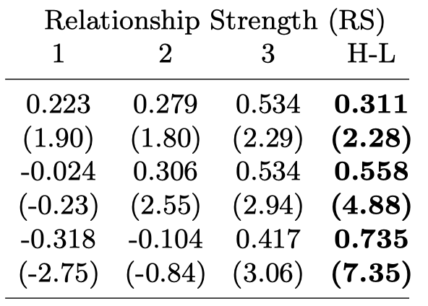
Table 4 Double Sort Results: Inventory Turnover, IT
InvT Terciles | Global Sourcing Share (GL) |  |  |  | Supplier Concentration (SC) |  |  |  | Logistical Efficiency (LE) |  |  |  | Relationship Strength (RS)
 | 1 | 2 | 3 | H-L | 1 | 2 | 3 | H-L | 1 | 2 | 3 | H-L | 1 | 2 | 3 | H-L
1 | 0.772 | 0.757 | 0.726 | -0.046 | 0.458 | 0.821 | 0.392 | -0.066 | 0.432 | 0.578 | 0.639 | 0.206 | 0.698 | 0.134 | 0.815 | 0.117
 | (1.57) | (1.43) | (1.43) | (-1.42) | (0.66) | (2.3) | (0.17) | (-0.38) | (0.6) | (1.15) | (0.93) | (0.78) | (1.45) | (0.13) | (1.85) | (1.87)
2 | 0.705 | 0.718 | 0.779 | 0.074 | 0.442 | 0.889 | 0.79 | 0.349 | 0.139 | 0.494 | 0.61 | 0.471 | 0.744 | 0.059 | 0.724 | -0.02
 | (1.43) | (1.35) | (1.56) | (1.98) | (0.7) | (2.33) | (1.6) | (1.6) | (0.28) | (0.8) | (1.23) | (0.94) | (1.72) | (0.05) | (1.35) | (-0.15)
3 | 0.728 | 0.745 | 0.768 | 0.041 | 0.731 | 0.775 | 0.788 | 0.056 | 0.728 | 0.266 | 0.783 | 0.055 | 0.75 | 0.704 | 0.739 | -0.011
 | (1.48) | (1.55) | (1.56) | (3.63) | (1.47) | (1.41) | (1.61) | (2.11) | (1.47) | (0.36) | (1.66) | (1.01) | (1.55) | (1.46) | (1.52) | (-0.31)

Table5
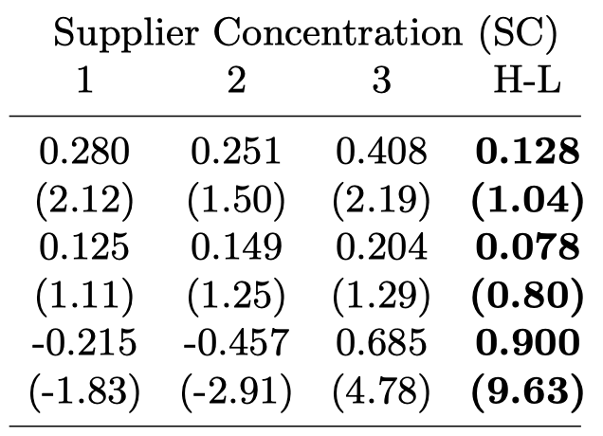
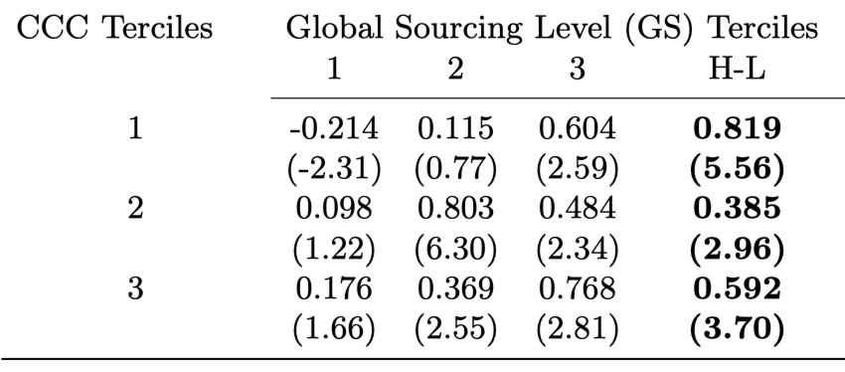
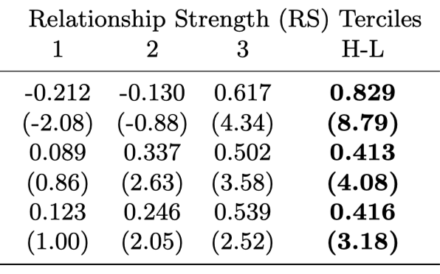
Table 5 Double Sort Results: Cash Conversion Cycle, CCC
CCC Terciles | Global Sourcing Share (GL) |  |  |  | Supplier Concentration (SC) |  |  |  | Logistical Efficiency (LE) |  |  |  | Relationship Strength (RS)
 | 1 | 2 | 3 | H-L | 1 | 2 | 3 | H-L | 1 | 2 | 3 | H-L | 1 | 2 | 3 | H-L
1 | 0.772 | 0.757 | 0.726 | -0.046 | 0.124 | 0.157 | 0.097 | -0.027 | 0.432 | 0.578 | 0.639 | 0.206 | 0.698 | 0.134 | 0.815 | 0.117
 | (1.57) | (1.43) | (1.43) | (-1.42) | (0.66) | (2.3) | (0.17) | (-0.38) | (0.6) | (1.15) | (0.93) | (0.78) | (1.45) | (0.13) | (1.85) | (1.87)
2 | 0.705 | 0.718 | 0.779 | 0.074 | 0.442 | 0.889 | 0.79 | 0.349 | 0.139 | 0.494 | 0.61 | 0.471 | 0.744 | 0.059 | 0.724 | -0.02
 | (1.43) | (1.35) | (1.56) | (1.98) | (0.7) | (2.33) | (1.6) | (1.6) | (0.28) | (0.8) | (1.23) | (0.94) | (1.72) | (0.05) | (1.35) | (-0.15)
3 | 0.728 | 0.745 | 0.768 | 0.041 | 0.731 | 0.775 | 0.788 | 0.056 | 0.728 | 0.266 | 0.783 | 0.055 | 0.75 | 0.704 | 0.739 | -0.011
 | (1.48) | (1.55) | (1.56) | (3.63) | (1.47) | (1.41) | (1.61) | (2.11) | (1.47) | (0.36) | (1.66) | (1.01) | (1.55) | (1.46) | (1.52) | (-0.31)

Table6
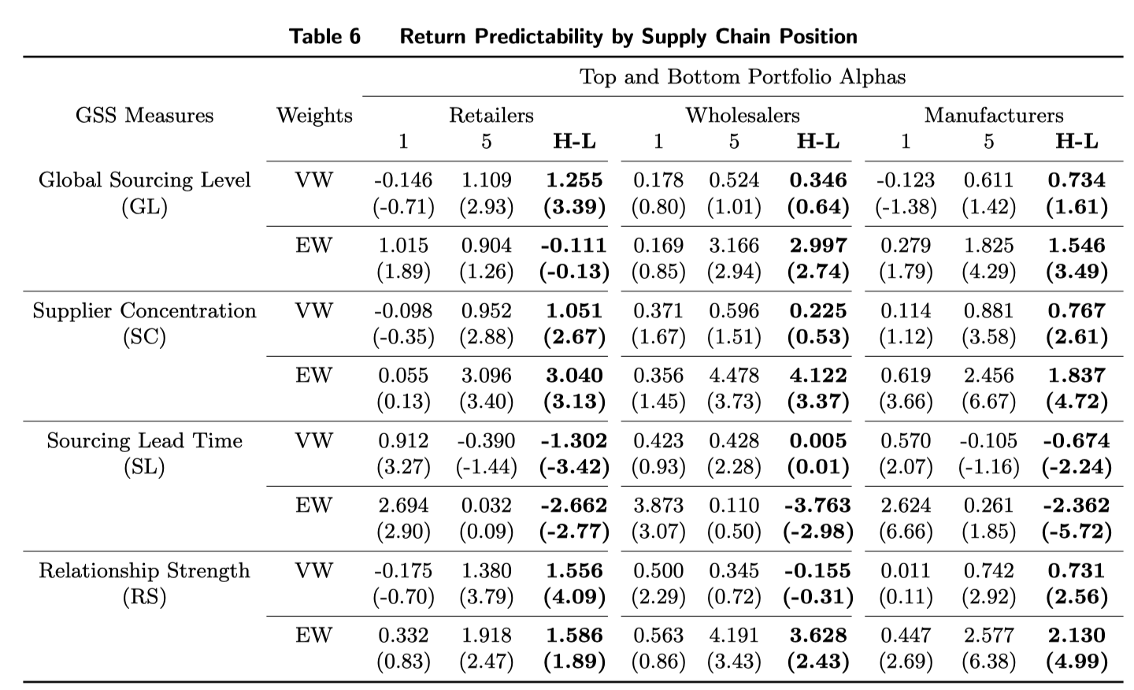
Table 6 Return Predictability by Supply Chain Position
GSS Measures | Weight | Retailers |  |  | Wholesalers |  |  | Manufacturers
 |  | 1 | 5 | H-L | 1 | 5 | H-L | 1 | 5 | H-L
Global Sourcing Level (GL) | vw | -0.794 | 0.51 | 1.305 | 0.268 | 0.853 | 0.585 | 0.706 | 0.746 | 0.04
 |  | (-0.67) | (1.06) | (1.64) | (0.59) | (1.78) | (2.39) | (1.4) | (1.54) | (0.92)
 | ew | 1.457 | 0.559 | -0.898 | -0.003 | 0.777 | 0.779 | 0.518 | 0.676 | 0.158
 |  | (1.09) | (0.94) | (-0.5) | (-0.01) | (1.27) | (1.94) | (0.86) | (1.08) | (1.78)
Supplier Concentration (SC) | vw | 0.396 | 0.846 | 0.578 | 0.375 | 0.924 | 0.548 | 0.976 | 0.775 | -0.201
 |  | (1.48) | (1.59) | (1.89) | (1.53) | (1.8) | (1.87) | (0.41) | (1.56) | (-0.21)
 | ew | 0.406 | 0.803 | 0.59 | 0.331 | 0.897 | 0.566 | 1.142 | 0.706 | -0.436
 |  | (1.15) | (1.18) | (1.56) | (1.04) | (1.34) | (1.49) | (0.46) | (1.09) | (-0.46)
Logistical Efficiency (LE) | vw | 0.972 | 0.831 | -0.141 | 0.173 | -5.035 | -5.207 | 0.422 | 0.558 | 0.136
 |  | (1.22) | (1.66) | (-0.12) | (0.22) | (-0.76) | (-0.83) | (0.68) | (1.19) | (0.23)
 | ew | 1.664 | 0.789 | -0.875 | 0.365 | -6.323 | -6.688 | 0.515 | 0.529 | 0.013
 |  | (1.62) | (1.22) | (-0.62) | (0.32) | (-0.86) | (-0.96) | (0.61) | (0.96) | (0.02)
Relationship Strength (RS) | vw | 0.766 | 0.934 | 0.168 | 2.918 | -1.351 | -4.269 | -0.138 | 0.733 | 0.871
 |  | (1.56) | (1.82) | (1.78) | (1.29) | (-0.95) | (-1.95) | (-0.1) | (1.55) | (0.95)
 | ew | 0.706 | 0.797 | 0.092 | 4.084 | -1.916 | -6 | -0.318 | 0.667 | 0.984
 |  | (1.11) | (1.21) | (0.75) | (1.21) | (-1.1) | (-1.82) | (-0.21) | (1.09) | (0.97)

Table7
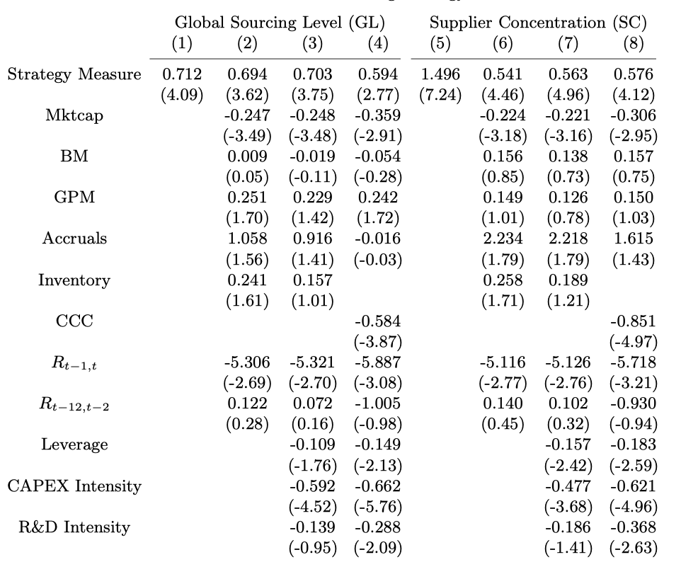
factor | Global Sourcing Level (GL) |  |  |  | factor | Supplier Concentration (SC)
 | 1 | 2 | 3 | 4 |  | 1 | 2 | 3 | 4
Strategy Measure |  |  |  |  | Strategy Measure

Mktcap | 0.732 | 0.736 | 0.751 | 0.74 | Mktcap |  | -0.454 | 0.696 | 0.765
 | (1.49) | (1.5) | (1.55) | (1.52) |  |  | (-0.23) | (1.56) | (1.57)
BM | 0.744 | 0.724 | 0.765 | 0.747 | BM |  | -0.003 | 0.703 | 0.776
 | (1.5) | (1.46) | (1.58) | (1.53) |  |  | (-0.0) | (1.53) | (1.54)
GPM | 0.724 | 0.729 | 0.772 | 0.743 | GPM |  | -0.632 | 0.696 | 0.753
 | (1.45) | (1.48) | (1.61) | (1.53) |  |  | (-0.32) | (1.52) | (1.55)
Accruals | 0.747 | 0.723 | 0.76 | 0.749 | Accruals |  | -0.437 | 0.701 | 0.776
 | (1.51) | (1.45) | (1.57) | (1.53) |  |  | (-0.22) | (1.57) | (1.57)
Inentory | 0.76 | 0.71 | 0.778 | 0.762 | Inentory |  | -0.477 | 0.702 | 0.785
 | (1.54) | (1.4) | (1.6) | (1.56) |  |  | (-0.23) | (1.58) | (1.53)
CCC | 0.746 | 0.72 | 0.767 | 0.75 | CCC |  | -0.503 | 0.705 | 0.776
 | (1.5) | (1.44) | (1.58) | (1.53) |  |  | (-0.24) | (1.58) | (1.56)
R t-1, t | 0.742 | 0.728 | 0.759 | 0.752 | R t-1, t |  | 5.177 | 0.717 | 0.755
 | (1.54) | (1.5) | (1.62) | (1.6) |  |  | (1.44) | (1.63) | (1.57)
R t-12, t-2 | 0.732 | 0.739 | 0.74 | 0.719 | R t-12, t-2 |  | 1.091 | 0.673 | 0.745
 | (1.17) | (1.22) | (1.21) | (1.17) |  |  | (1.49) | (1.07) | (1.18)
Leverage | 0.746 | 0.723 | 0.762 | 0.746 | Leverage |  | 0.149 | 0.705 | 0.77
 | (1.51) | (1.45) | (1.58) | (1.53) |  |  | (0.1) | (1.58) | (1.56)
CAPEX Intensity | 0.75 | 0.729 | 0.758 | 0.746 | CAPEX Intensity |  | -0.936 | 0.726 | 0.757
 | (1.53) | (1.45) | (1.58) | (1.52) |  |  | (-0.36) | (1.6) | (1.55)
R&D Intrensity | 0.744 | 0.724 | 0.768 | 0.746 | R&D Intrensity |  | -0.389 | 0.69 | 0.765
 | (1.5) | (1.46) | (1.59) | (1.53) |  |  | (-0.18) | (1.51) | (1.54)

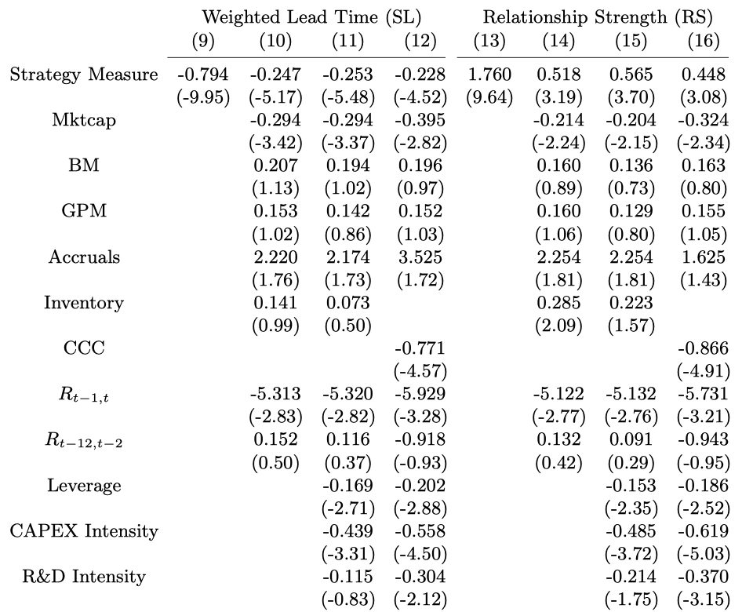
factor | Logistical Efficiency (LE) |  |  |  | factor | Relationship Strength (RS)
 | 1 | 2 | 3 | 4 |  | 1 | 2 | 3 | 4
Strategy Measure |  |  |  |  | Strategy Measure

Mktcap | 0.376 | 0.608 | 1.888 | 0.642 | Mktcap | 0.486 | 0.747 | 0.792 | 0.744
 | (0.77) | (0.93) | (4.96) | (1.36) |  | (0.71) | (1.55) | (1.58) | (1.6)
BM | 0.405 | 0.567 | 1.81 | 0.647 | BM | 0.497 | 0.764 | 0.794 | 0.768
 | (0.76) | (0.84) | (4.89) | (1.36) |  | (0.7) | (1.59) | (1.57) | (1.63)
GPM | 0.294 | 0.523 | 1.746 | 0.646 | GPM | 0.466 | 0.763 | 0.799 | 0.737
 | (0.49) | (0.78) | (4.88) | (1.38) |  | (0.66) | (1.59) | (1.62) | (1.57)
Accruals | 0.356 | 0.495 | 1.785 | 0.633 | Accruals | 0.483 | 0.767 | 0.786 | 0.749
 | (0.67) | (0.73) | (5.02) | (1.33) |  | (0.68) | (1.59) | (1.56) | (1.59)
Inentory | 0.389 | 0.557 | 1.794 | 0.647 | Inentory | 0.535 | 0.768 | 0.817 | 0.78
 | (0.75) | (0.82) | (4.7) | (1.36) |  | (0.8) | (1.6) | (1.59) | (1.63)
CCC | 0.4 | 0.644 | 1.735 | 0.647 | CCC | 0.499 | 0.766 | 0.78 | 0.758
 | (0.77) | (0.99) | (4.78) | (1.36) |  | (0.72) | (1.59) | (1.53) | (1.6)
R t-1, t | 0.57 | 0.754 | 1.465 | 0.651 | R t-1, t | 0.487 | 0.759 | 0.815 | 0.76
 | (1.44) | (1.19) | (5.07) | (1.4) |  | (0.68) | (1.59) | (1.68) | (1.69)
R t-12, t-2 | 0.629 | 0.6 | 0.268 | 0.596 | R t-12, t-2 | 0.233 | 0.703 | 0.792 | 0.735
 | (1.56) | (0.69) | (0.4) | (1.03) |  | (0.22) | (1.16) | (1.28) | (1.2)
Leverage | 0.309 | 0.529 | 1.768 | 0.642 | Leverage | 0.498 | 0.749 | 0.788 | 0.739
 | (0.59) | (0.78) | (4.93) | (1.35) |  | (0.71) | (1.52) | (1.59) | (1.58)
CAPEX Intensity | 0.384 | 0.588 | 1.851 | 0.657 | CAPEX Intensity | 0.539 | 0.758 | 0.801 | 0.757
 | (0.74) | (0.88) | (5.23) | (1.39) |  | (0.81) | (1.59) | (1.61) | (1.62)
R&D Intrensity | 0.467 | 0.544 | 1.756 | 0.641 | R&D Intrensity | 0.508 | 0.768 | 0.806 | 0.75
 | (0.93) | (0.82) | (4.92) | (1.35) |  | (0.74) | (1.61) | (1.63) | (1.6)

